Pivot analysis
Week day by Tickets
Category by Tickets
Week of day by Tickets |  |  |  | Category by Tickets
Row Labels | Count of ticket_id |  |  | Row Labels | Count of ticket_id
Sunday | 26 |  |  | Access | 15
Monday | 19 |  |  | Billing | 12
Tuesday | 22 |  |  | Hardware | 24
Wednesday | 24 |  |  | Network | 23
Thursday | 23 |  |  | Other | 18
Friday | 16 |  |  | Security | 7
Saturday | 20 |  |  | Software | 51
Priority by Tickets
Grand Total | 150 |  |  | Grand Total | 150

Month by Tickets
Month by Tickets |  |  |  | Priority by Tickets
Row Labels | Count of ticket_id |  |  | Row Labels | Count of ticket_id
2025-06 | 27 |  |  | Critical | 4
2025-07 | 51 |  |  | High | 25
2025-08 | 45 |  |  | Low | 58
2025-09 | 27 |  |  | Medium | 63
Grand Total | 150 |  |  | Grand Total | 150

Assigned analyst by Tickets and Resolution_time(Hours)
Hours by Tickets |  |  |  | Assigned analyst by Tickets and Resolution_time(Hours)
Row Labels | Count of ticket_id |  |  | Row Labels | Count of ticket_id | Average of resolution_time_hours
0 | 9 |  |  | Sheila Ball | 16 | 66.843557975
1 | 6 |  |  | Adam Stone | 16 | 46.38995392
2 | 4 |  |  | Amanda White | 15 | 82.225628917
3 | 6 |  |  | Autumn Ryan | 17 | 72.610398179
4 | 3 |  |  | Cynthia Rich | 17 | 50.214652499
5 | 6 |  |  | Janice Burns | 13 | 35.375343622
6 | 9 | Metric | Value | Marvin West | 8 | 64.433295673
7 | 6 | Total Tickets | 150 | Natasha Harris | 7 | 33.453871144
8 | 5 | Average Resolution Time (hrs) | 53.3 | Tanya Jones | 27 | 47.04256902
9 | 6 | Median Resolution Time (hrs) | 35.03 | Toni Wiley | 14 | 27.262369906
10 | 6 | Most Common Category | Software | Grand Total | 150 | 53.296613055
11 | 7 | Most Common Priority | Medium
12 | 7 | Top Analyst (by tickets) | Tanya Jones
13 | 7
14 | 5
15 | 6
16 | 7
17 | 9
18 | 4
19 | 7
20 | 8
21 | 6
22 | 7
23 | 4
Grand Total | 150

Dashboard
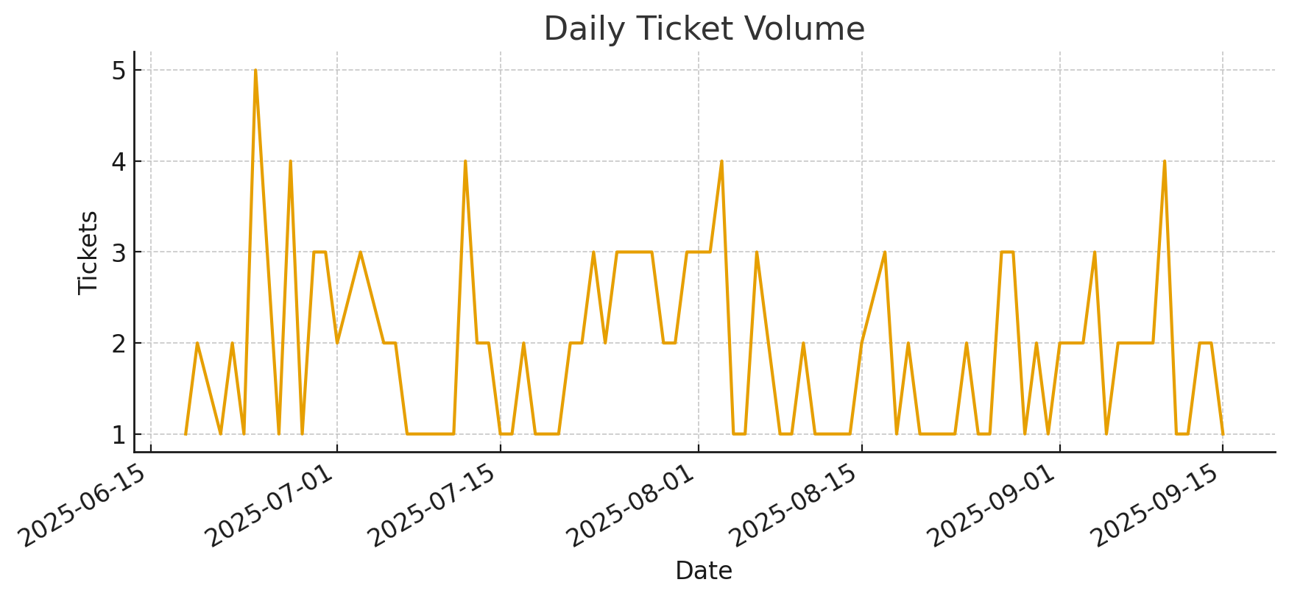
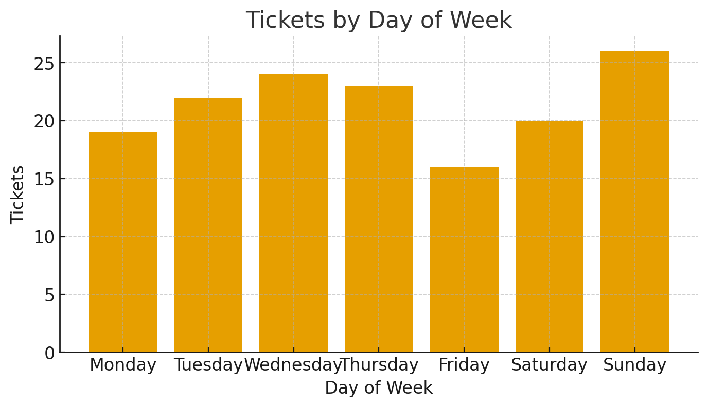
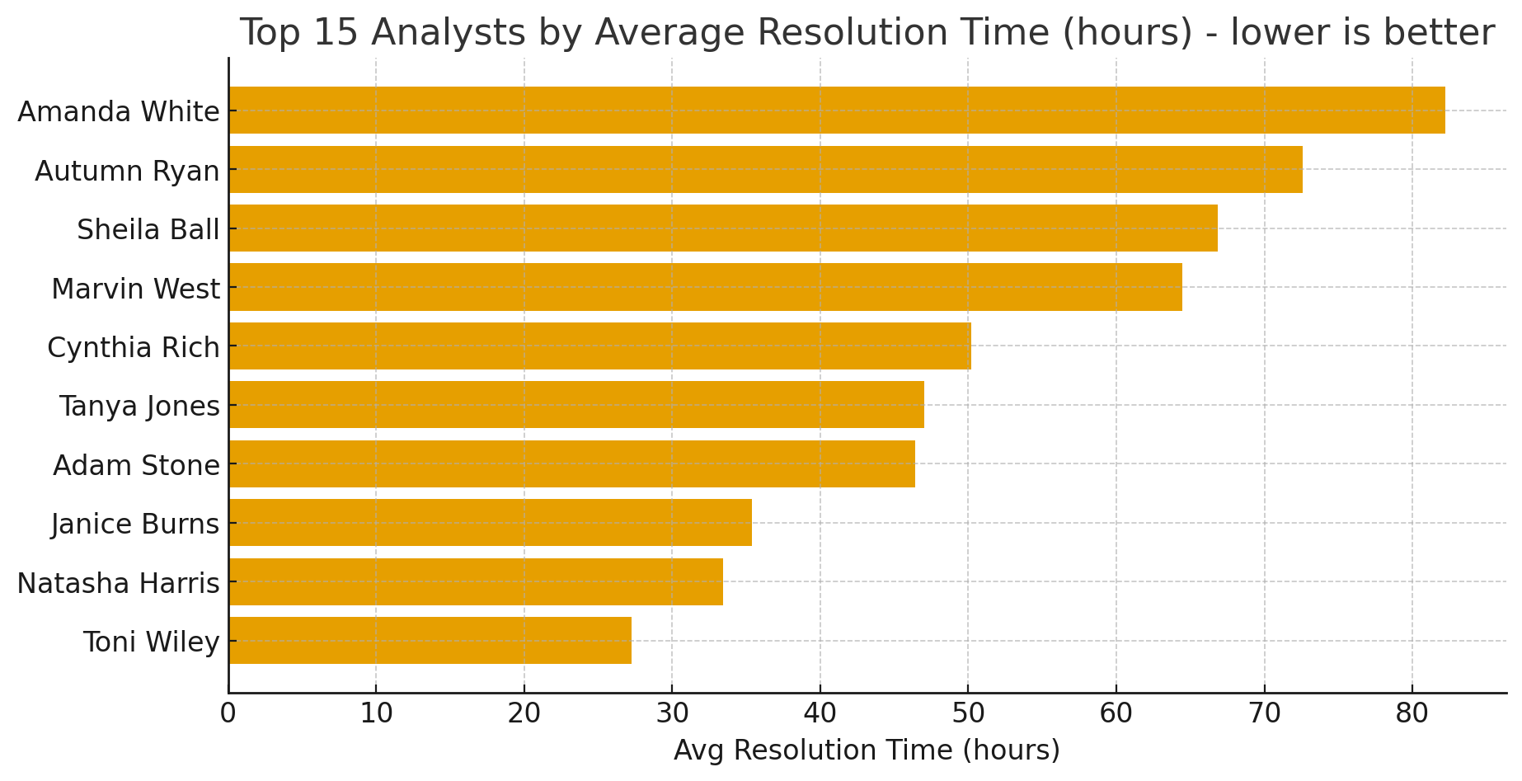
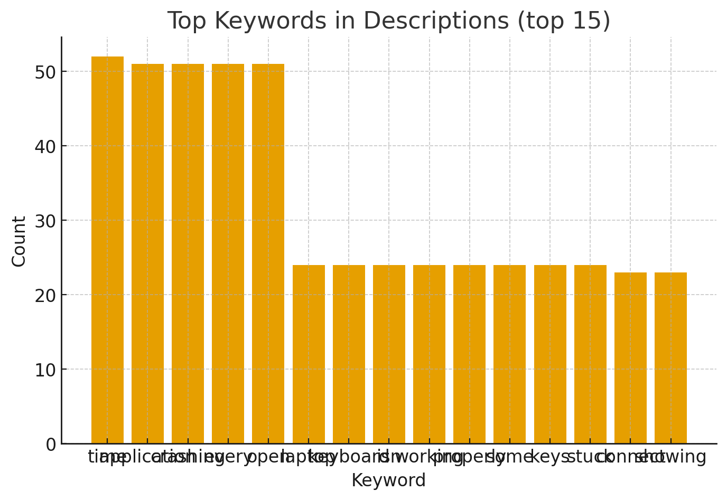
IT Help Desk Ticket Analysis

